Tests
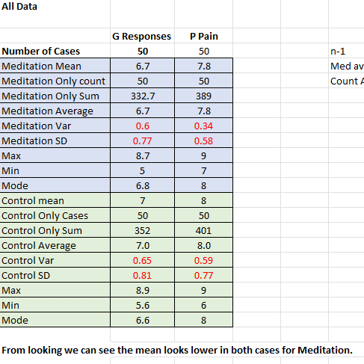

 | Test for difference in mean:
 | Test that meditation scores are less than Control for pain

 | Galvanic Response |  | P Pain
 | Meditation | Control | Meditation | Control
mean | 6.7 | 7 | 7.8 | 8
S.d. | 0.77 | 0.81 | 0.58 | 0.77
n | 50 | 50 | 50 | 50

 | ((6.7-7)/(((.77^2)+(.81^2))/50)^.5)
T | -1.8981259984
P value

p is small so reject H. The test gives convincing evidence to sugest Meditation score is lower with regard to Galvanic responses.

Same test for P Pain

 | ((7.8-8)/(((.58^2)+(.77^2))/50)^.5)
T | -1.4670233597
p value

P > 0.05 so accept H. For Perceived Pain.

CI of mean
(6.7-7)+-t*(SE)
t*

SE | 0.13633048082
Ans | -0.071434995749

confident Interval of each mean

 | Galvanic Response |  | P Pain
 | Meditation | Control | Meditation | Control
mean | 6.7 | 7 | 7.8 | 8
S.d. | 0.77 | 0.81 | 0.58 | 0.77
n | 50 | 50 | 50 | 50
Cis | (6.5,6.9) | (6.8,7.2) | (7.7,7.9) | (7.8,8.2)
Meditation Means |  |  | Control
GR: |  |  | GR
6.7+-t*(s/(n^.5)) |  |  | 7+-t*(s/(n^.5))
6.8825670895 |  |  | 7.1913006686
6.5174329105 |  |  | 6.8086993314

PP |  |  | PP
7.8+-t*(s/(n^.5)) |  |  | 8+-t*(s/(n^.5))
7.9375180674 |  |  | 8.1825670895
7.6624819326 |  |  | 7.8174329105

TestsGraphs
Control | Gresponses | P Pain
Mean | 7 | 8
Mode | 6.6 | 8
Max | 8.9 | 9
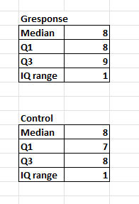
Min | 5.6 | 6
Median | 6.9 | 8
LwQuartile | 6.6 | 7
UpperQuartile | 7.6 | 8
IQ range | 1 | 1
Q1-1.5(IQ) | 5.1 | 5.5
Q3+1.5(IQ) | 9.1 | 9.5

Meditation | Gresponses | P Pain
Mean | 6.7 | 7.8
Mode | 6.8 | 8
Max | 8.7 | 9
Min | 5.6 | 7
Median | 6.9 | 8
LwQuartile | 6.6 | 8
UpperQuartile | 7.6 | 9
IQ range | 1 | 1
Q1-1.5(IQ) | 5.1 | 6.5
Q3+1.5(IQ) | 9.1 | 10.5

